1. Title Page
[Instacart Basket Analysis]

Project Name: Instacart Basket Analysis
Date: 7/10/24
Analyst Name: Nicole Schultz

Contents:
Population Flow
Consistency checks
Wrangling steps
Column derivations
Visualizations
Recommendations

Data Citation
“The Instacart Online Grocery Shopping Dataset 2017”, Accessed from www.instacart.com/datasets/grocery-shopping-2017 via Kaggle on June 10, 2024

2. Population Flow
Title page

Population flow

Exclusion flag
Condition: max_order <
Obervations to be removed:
Final total count of order_products_all:

Orders_products_combined
Orders_products_merged
Orders_products_all

Total: 32,404,859
Total: 32,434,489
Total: 32,404,859

1.) The grey boxes in the first row of the population flow represent the original data sets as they were when you downloaded them. In the Total fields you need to add the count of the rows when you imported the data set into Jupyter.
2.) The second row of boxes (coloured) represents the data sets after you manipulated them, e.g., removed missing values and duplicates. In the Total fields you need to add the count of the rows after conducting these operations. This offers a visual oveview of how the data flows throughout the data consistency checks.
3.) The third row, where also the arrows are coloured, represents the merges you performed between the datasets. In the Total fields you need to add the count of the rows in the merged datasets, so that you end up with the final dataset (in the red box). Keep in mind the final dataset should be without exclusions (based on the exclusion flag).

3. Consistency checks
 |  |  |  | Title page
Consistency checks

Dataset | Missing values | Missing values treatment | Duplicates
orders | 206,209 - in "days_since_prior_order" | do nothing, since these values represent new customers/first time customers. Created a "first_order" column that flags orders as new customers or not. | no duplicates
products | 16 in "product_name" | create new dataframe without missing values | 5 duplicates were found and dropped in df_prods_clean_no_dups
orders_products_prior | none | n/a | no duplicates
customers | 11,259 in "first_name" | do nothings, since this data is not relevant to the analysis as we can still identify each customer based on user_id

 |  |  | 5 duplicates were found and dropped in df_prods_clean_no_dups

4. Wrangling steps
 |  |  |  |  | Title page
Wrangling steps

Dataframe | Columns dropped | Columns renamed | Columns' type changed | Comment/Reason
orders | eval_set |  |  | irrelevant for this analysis
 |  | order_dow' to 'orders_day_of_week' |  | easier comprehension for stakeholders
 |  |  | 'order_id' | this variable should be read as a string, not an integer
department |  | index |  | transposed dataset and renamed column to index in the process of making a data dictionary for departments
customers |  | FIRST_NAME |  | changed to first_name for format consistency
 |  |  | FIRST_NAME | changed to string
 |  | surnam |  | changed to last_name for format consistency
 |  | Gender |  | changed to gender for format consistency
 |  | STATE |  | changed to state for format consistency
 |  | Age |  | changed to age for format consistency
 |  | n_dependants |  | changed to number_of_dependents for ease of comprehension
 |  | fam_status |  | changed to marital_status for ease of comprehension
 |  |  | date_joined | changed to date format

5. Column derivations
 |  |  |  | Title page

Column derivations and aggregations

In this tab you should add tables below that the frequences of flags/label variables that you produced after deriving them. NB: don't do this for continuous variables, only for flags.
Dataset | New column | Column/s it was derived from | Conditions
ords_prods_merge | price_range_loc | prices | ords_prods_merge.loc[ords_prods_merge['prices'] > 15, 'price_range_loc'] = 'High-range product' ords_prods_merge.loc[(ords_prods_merge['prices'] <= 15) & (ords_prods_merge['prices'] > 5), 'price_range_loc'] = 'Mid-range product' ords_prods_merge.loc[ords_prods_merge['prices'] <= 5, 'price_range_loc'] = 'Low-range product'
ords_prods_merge | busiest_day | orders_day_of_week | result = [] for value in ords_prods_merge["orders_day_of_week"]: if value == 0: result.append("Busiest day") elif value == 4: result.append("Least busy") else: result.append("Regularly busy")
ords_prods_merge | busiest_days | orders_day_of_week | result_2 = [] for value in ords_prods_merge["orders_day_of_week"]: if value == 0 or value ==1: result_2.append("Busiest days") elif value == 3 or value ==4: result_2.append("Slowest days") else: result_2.append("Regularly busy")
ords_prods_merge | busiest_period_of_day | order_hour_of_day | result_3 = [] for value in ords_prods_merge["order_hour_of_day"]: if value in [10, 11, 14, 15, 13, 12, 16, 9]: result_3.append("Most orders") elif value in [23, 6, 0, 1, 5, 2, 4, 3]: result_3.append("Fewest orders") else: result_3.append("Average orders")
ords_prods_merge_agg | max_order | order_number | max order number by user id ords_prods_merge['max_order'] = ords_prods_merge.groupby(['user_id'])['order_number'].transform(np.max)
ords_prods_merge_agg | loyalty flag | max_order | ords_prods_merge.loc[ords_prods_merge['max_order'] > 40, 'loyalty_flag'] = 'Loyal customer' ords_prods_merge.loc[(ords_prods_merge['max_order'] <= 40) & (ords_prods_merge['max_order'] > 10), 'loyalty_flag'] = 'Regular customer' ords_prods_merge.loc[ords_prods_merge['max_order'] <= 10, 'loyalty_flag'] = 'New customer'
ords_prods_merge_agg | average_spend | prices | ords_prods_merge['average_spend'] = ords_prods_merge.groupby(['user_id'])['prices'].transform(np.mean)
ords_prods_merge_agg | spender_flag | average_spend | ords_prods_merge.loc[ords_prods_merge['average_spend'] <10, 'spender_flag'] = 'Low spender' ords_prods_merge.loc[ords_prods_merge['average_spend'] >=10, 'spender_flag'] = 'High spender'
ords_prods_merge_agg | order_frequency | days_since_prior_order | ords_prods_merge['order_frequency'] = ords_prods_merge.groupby(['user_id'])['days_since_prior_order'].transform(np.median)
ords_prods_merge_agg | customer_frequency_flag | order_frequency | ords_prods_merge.loc[ords_prods_merge['order_frequency'] >20, 'Customer_frequency_flag'] = 'Non-frequent customer' ords_prods_merge.loc[(ords_prods_merge['order_frequency'] >10) & (ords_prods_merge['order_frequency'] <=20), 'Customer_frequency_flag'] = 'Regular customer' ords_prods_merge.loc[ords_prods_merge['order_frequency'] <= 10, 'Customer_frequency_flag'] = 'Frequent customer'
ords_prods_customer_agg | region | state | # create a list of states for each region northeast = ['Maine', 'New Hampshire', 'Vermont', 'Massachusetts', 'Rhode Island', 'Connecticut', 'New York', 'Pennsylvania', 'New Jersey'] midwest = ['Wisconsin', 'Michigan', 'Illinois', 'Indiana', 'Ohio', 'North Dakota', 'South Dakota', 'Nebraska', 'Kansas', 'Minnesota', 'Iowa', 'Missouri'] south = ['Delaware', 'Maryland', 'District of Columbia', 'Virginia', 'West Virginia', 'North Carolina', 'South Carolina', 'Georgia', 'Florida', 'Kentucky', 'Tennessee', 'Mississippi', 'Alabama', 'Oklahoma', 'Texas', 'Arkansas', 'Louisiana'] west = ['Idaho', 'Montana', 'Wyoming', 'Nevada', 'Utah', 'Colorado', 'Arizona', 'New Mexico', 'Alaska', 'Washington', 'Oregon', 'California', 'Hawaii'] # create Region flag df.loc[df['state'].isin(northeast), 'region'] = 'Northeast' df.loc[df['state'].isin(midwest), 'region'] = 'Midwest' df.loc[df['state'].isin(south), 'region'] = 'South' df.loc[df['state'].isin(west), 'region'] = 'West'
ords_prods_customer_agg | activity_flag | order_frequency | # Exclusion flag based on orders df.loc[df['max_order'] < 5, 'activity_flag'] = 'low-activity' df.loc[df['max_order'] >= 5, 'activity_flag'] = 'high-activity'
df_high_activity_customers_only | age_group | age | # create profile based on age df_2.loc[df_2['age'] <= 30, 'age_group'] = 'Young Adult' df_2.loc[(df_2['age'] >30) & (df_2['age'] <65), 'age_group'] = 'Middle-Aged' df_2.loc[df_2['age'] >= 65, 'age_group'] = 'Senior'
df_high_activity_customers_only | income_group | income | # create profile based on income df_2.loc[df_2['income'] <= 60000, 'income_group'] = 'low-income' df_2.loc[(df_2['income'] >60000) & (df_2['income'] <150000), 'income_group'] = 'mid-income' df_2.loc[df_2['income'] >= 150000, 'income_group'] = 'high-income'
df_high_activity_customers_only | department_group | department_id | # create categories for department id group df_2.loc[df_2['department_id'].isin([1, 3, 4, 5, 6, 7, 9, 10, 14, 15, 16, 19, 20]), 'department_group'] = 'groceries' df_2.loc[df_2['department_id'].isin([11, 17]), 'department_group'] = 'personal_care' df_2.loc[df_2['department_id'].isin([12]), 'department_group'] = 'meat_seafood' df_2.loc[df_2['department_id'].isin([8, 18]), 'department_group'] = 'baby_pet' df_2.loc[df_2['department_id'].isin([2, 13, 21]), 'department_group'] = 'miscellaneous'
df_high_activity_customers_only | household_size | number_of_dependants | # create profile based on number of dependants df_2.loc[df_2['number_of_dependants'] <1, 'household_size'] = 'small' df_2.loc[(df_2['number_of_dependants'] >=1) & (df_2['number_of_dependants'] <=2), 'household_size'] = 'mid-sized' df_2.loc[df_2['number_of_dependants'] >= 3, 'household_size'] = 'large'
df_high_activity_customers_only | day_of_order_group | order_day_of_week | # create day_of_order_group df_2.loc[df_2['orders_day_of_week'].isin([2, 3, 4, 5, 6]), 'day_of_order_group'] = 'weekday' df_2.loc[df_2['orders_day_of_week'].isin([0, 1]), 'day_of_order_group'] = 'weekend'
df_high_activity_customers_only | hour_of_order_group | order_hour_of_day | # create group based on order hour of day df_2.loc[df_2['order_hour_of_day'] <5 , 'hour_of_order_group'] = 'late night' df_2.loc[df_2['order_hour_of_day'] >22, 'hour_of_order_group'] = 'late night' df_2.loc[(df_2['order_hour_of_day'] >=5) & (df_2['order_hour_of_day'] <12), 'hour_of_order_group'] = 'morning' df_2.loc[(df_2['order_hour_of_day'] >=12) & (df_2['order_hour_of_day'] <18), 'hour_of_order_group'] = 'afternoon' df_2.loc[(df_2['order_hour_of_day'] >=18) & (df_2['order_hour_of_day'] <=22), 'hour_of_order_group'] = 'evening'

6. Visualizations
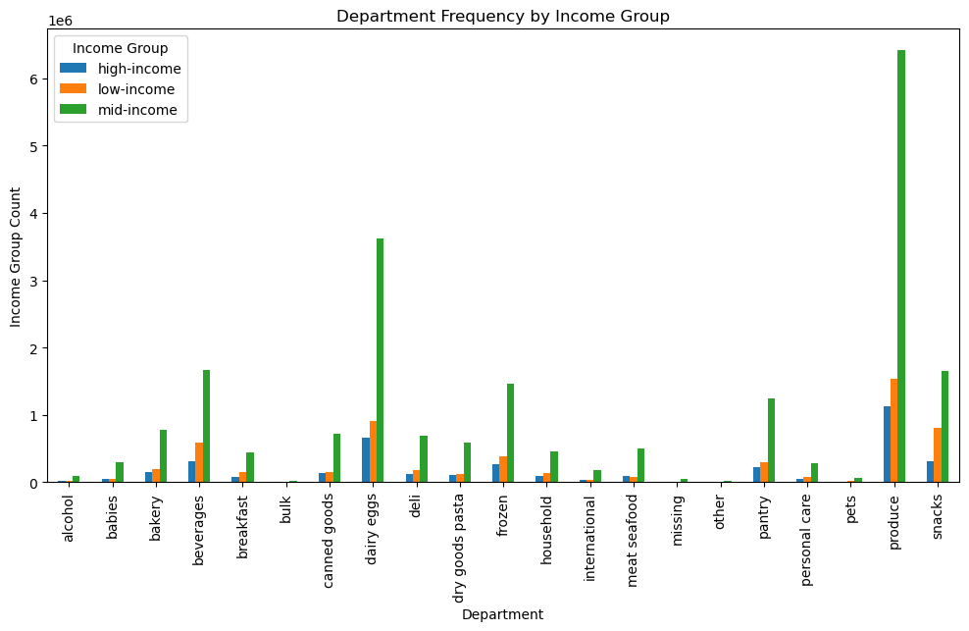
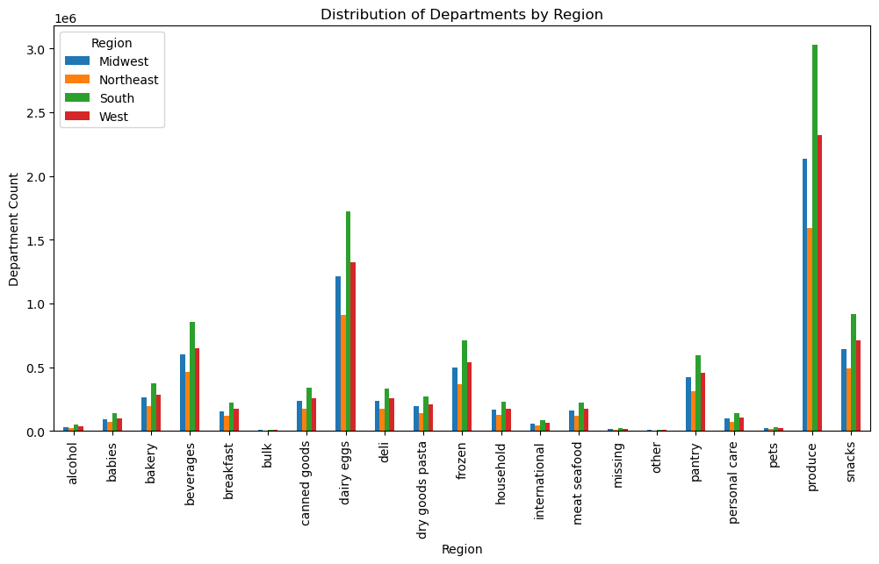
 |  |  |  | Title page

Visualisations

In this tab you should include all the visualtions from Exercises 4.9 and 4.10, alongside the questions from the project brief that they answer. Include any commentary on the relationship between different variables.

The sales team needs to know what the busiest days of the week and hours of the day are (i.e., the days and times with the most orders) in order to schedule ads at times when there are fewer orders

Orders by Day of Week |  | Orders by Hour of Day

The busiest days of the week are Saturday and Sunday, with the least busiest day being Wednesday |  | The busiest times of days for orders is between around 8am until around 4pm. The least busy time period is between 12am and 6am.

They also want to know whether there are particular times of the day when people spend the most money, as this might inform the type of products they advertise at these times.

Prices by Hour of Day

Although the previous graphs suggest that more orders overall are placed later in the day, this graph shows that the prices of orders placed in the early morning hours(around 4 am), and those placed late at night around 11pm tend to be higher priced items

Instacart has a lot of products with different price tags. Marketing and sales want to use simpler price range groupings to help direct their efforts

Number of Products Grouped by Price | Price Range - Simple | Price Range - Wide

 | Mid-range product = $5-$15 Low - range product = <$5 High-range product = >$15 | high = >$12.5 mid-high = $7.5 - $12.5 mid = $5 - $7.5 mid-low = $2.5 - $5 low = <$2.5

Are there certain types of products that are more popular than others? The marketing and sales teams want to know which departments have the highest frequency of product orders.

Product Purchased by Department

The top 5 departments are Produce, Dairy/Eggs, Snacks, Beverages, and Frozen

The marketing and sales teams are particularly interested in the different types of customers in their system and how their ordering behaviors differ.

What’s the distribution among users in regards to their brand loyalty? | Are there differences in ordering habits based on a customer’s loyalty status?

 | 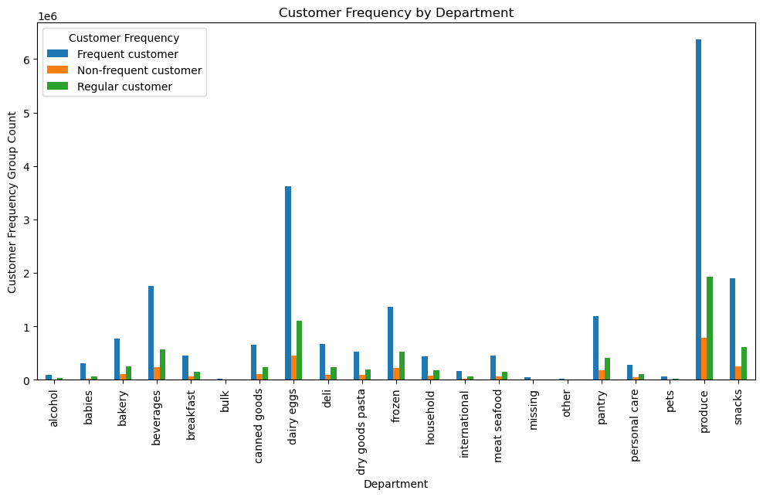 | 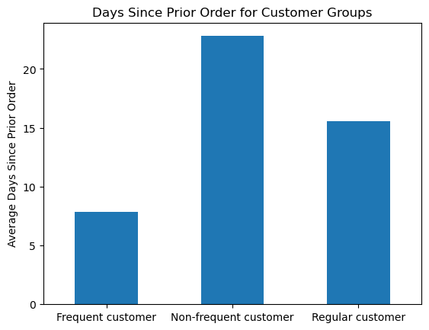 | 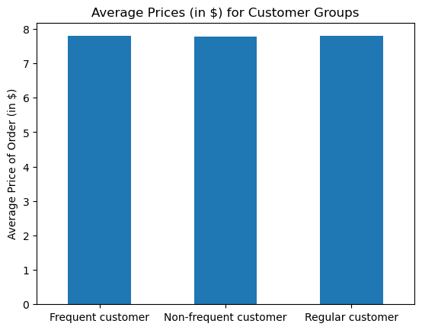

Most customers are regular customers. | Although there is quite a difference in days since prior orders between frequent, regular, and non-frequent customers, there does not seem to be much difference in how much they spend. In terms of volume, frequent customers order the most overall.

Are there differences in ordering habits based on a customer’s region?

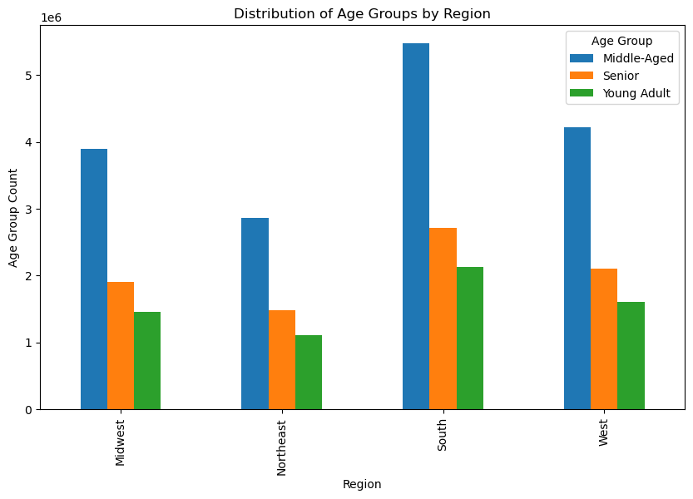 | 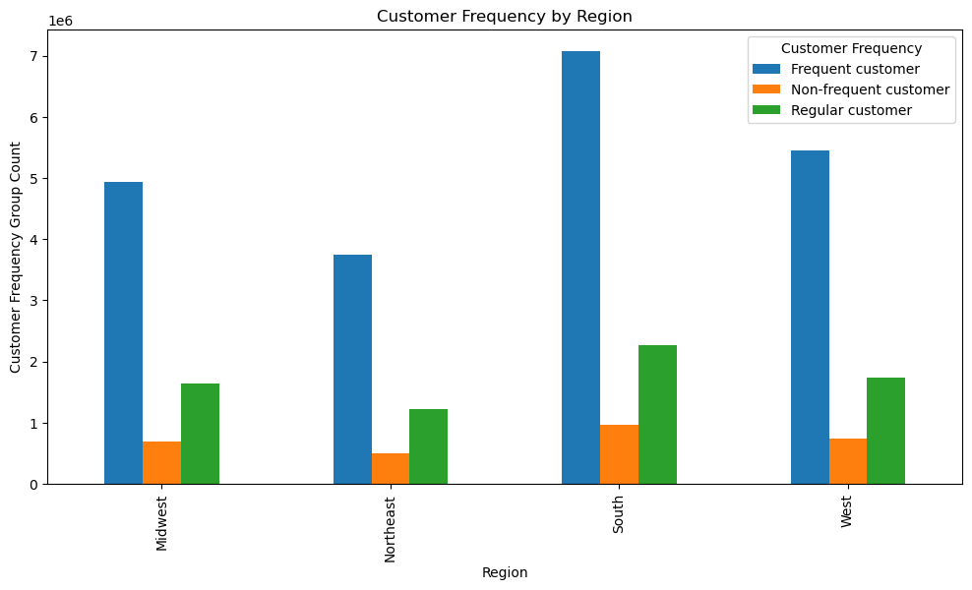 |  | 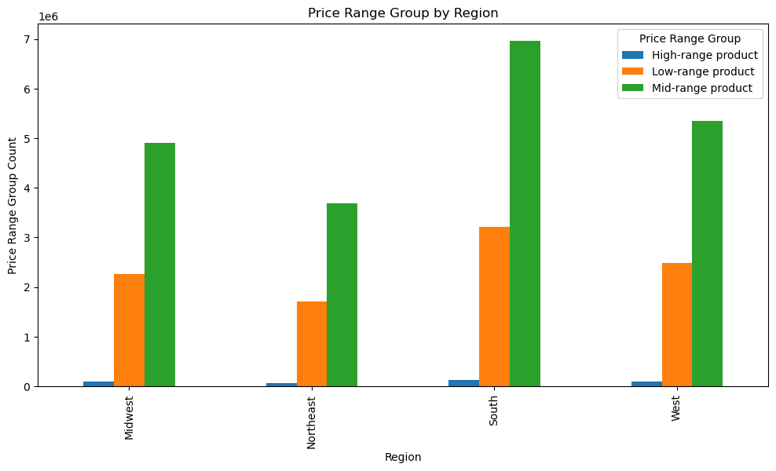

It seems the largest user-base are middle-aged users in the South. The most common items bought are mid-range priced items

Is there a connection between age and family status in terms of ordering habits?



There is no correlation between age and number of dependants, but there is a positive correlation between age and ammount of income, with a large jump in income after the age of 40.

What different classifications does the demographic information suggest?

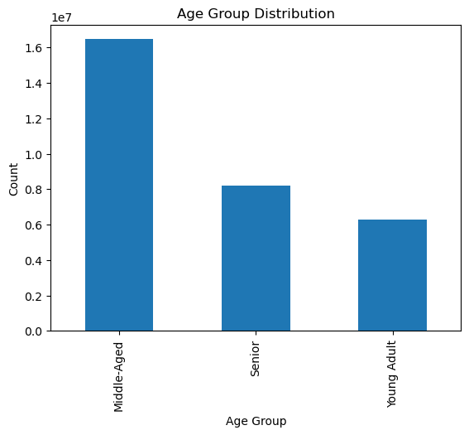
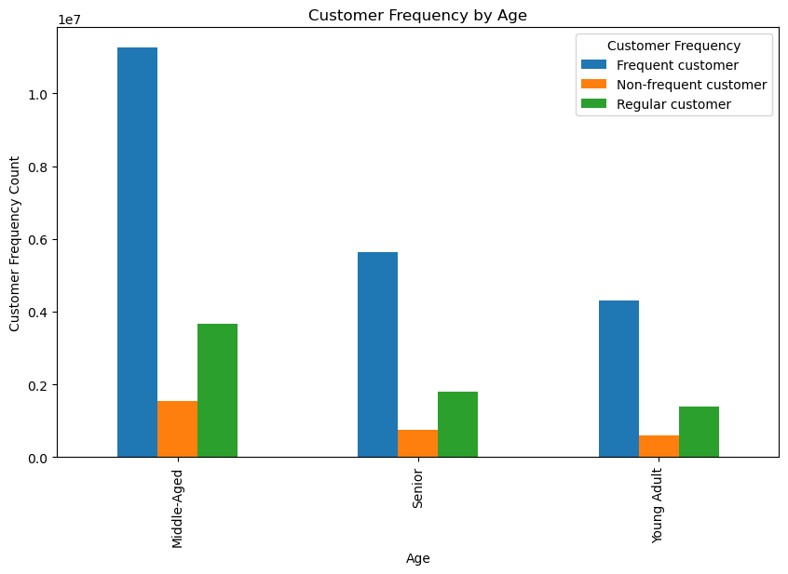

Demographic information for age, customer frequency, income, and marital status indicate that the majority of the regular users are middle-aged married adults with a family income somewhere between $60,000 - $150,000.

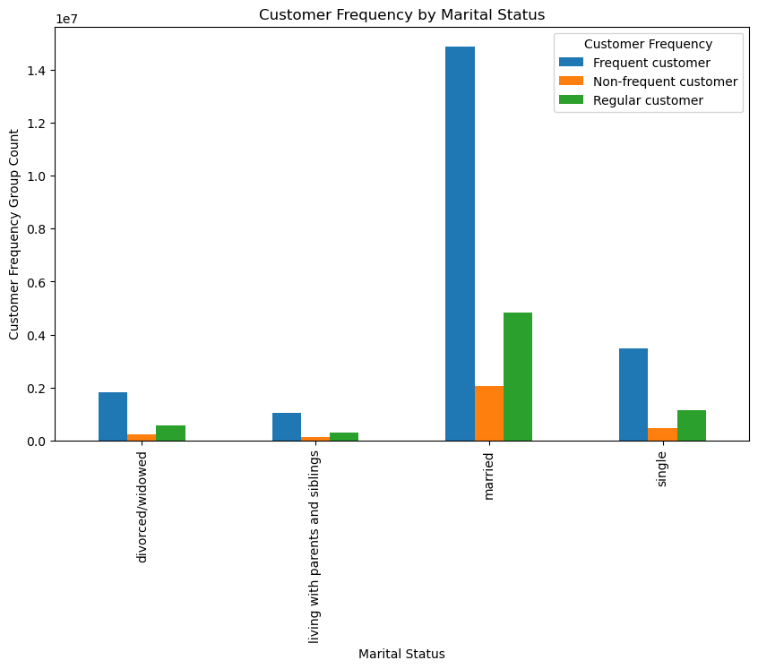
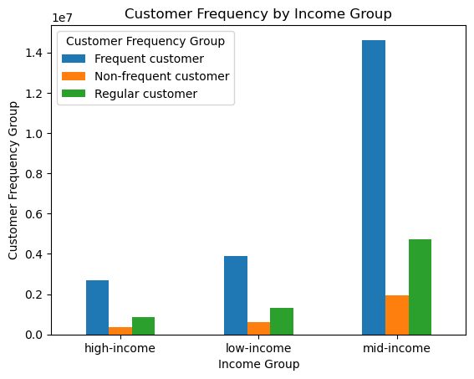

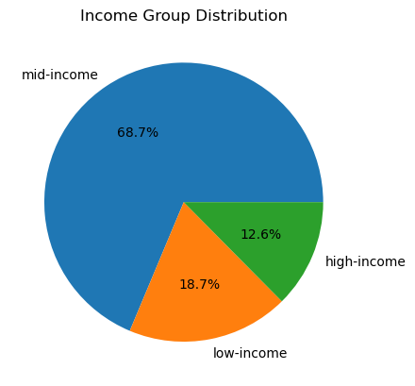

What differences can you find in ordering habits of different customer profiles? Consider the price of orders, the frequency of orders, the products customers are ordering, and anything else you can think of.

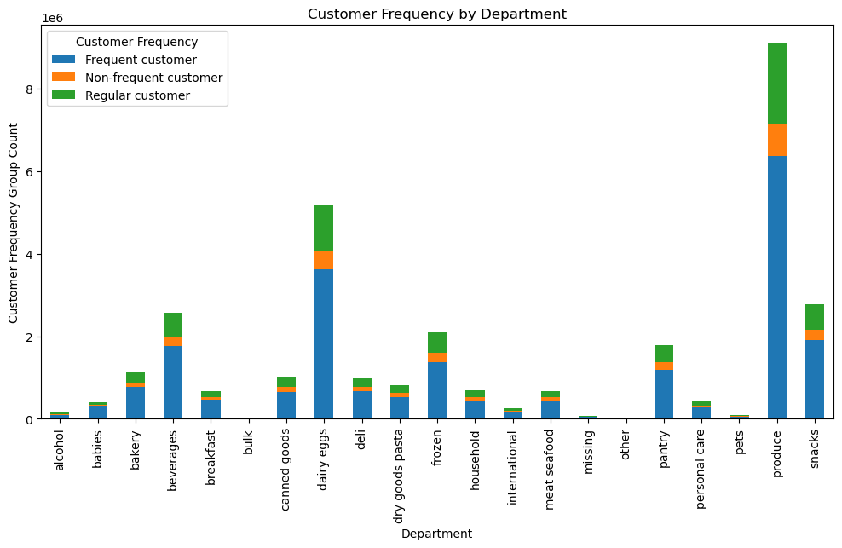

All categories follow similar trends as previously analyzed customer profiles.

7. Recommendations
 |  |  | Title page

Recommendations

In this tab you should include any recommendations you would made to Instcart in terms of their marketing strategy based on the questions posed in the brief. Every key question has been covered in the Tasks of the Exercises - here you need to add an item - a visualisation or table/crosstable that is showing the answer in the data, acompanied by a comment from you. Please, list the questions below and add the answer underneath.

Question (questions are linked to their respective visualizations) | Answer | Recommendation
Question 1: The sales team needs to know what the busiest days of the week and hours of the day are (i.e., the days and times with the most orders) in order to schedule ads at times when there are fewer orders. | The busiest days of the week are Saturday and Sunday, with the least busiest day being Wednesday. The busiest times of days for orders is between around 8am until around 4pm. The least busy time period is between 12am and 6am. | To optimize ad scheduling, I recommend targeting ads on Wednesday and during the least busy hours of 12am to 6am, as these times have the lowest order volume and can benefit from increased promotional efforts.
Question 2: They also want to know whether there are particular times of the day when people spend the most money, as this might inform the type of products they advertise at these times. | The prices of orders placed in the early morning hours(around 4 am), and those placed late at night around 11pm tend to be higher priced items | To maximize revenue, I recommend advertising higher-priced items during early morning hours around 4 am and late at night around 11 pm, as customers tend to spend more during these times.
Question 3: Instacart has a lot of products with different price tags. Marketing and sales want to use simpler price range groupings to help direct their efforts. |  | They could split the price groups up 2 different ways depending on how they want to simplify the groups. Simple : Mid-range product = $5-$15 Low - range product = <$5 High-range product = >$15 This grouping groups most products in the "mid-range" with a few on both of the outlier categories Wide: high = >$12.5 mid-high = $7.5 - $12.5 mid = $5 - $7.5 mid-low = $2.5 - $5 low = <$2.5 This grouping gives a more even division between the products, but a more complicated price breakdown.
Question 4: Are there certain types of products that are more popular than others? The marketing and sales teams want to know which departments have the highest frequency of product orders. | The top 5 departments are Produce, Dairy/Eggs, Snacks, Beverages, and Frozen | To focus marketing efforts effectively, I recommend prioritizing the Produce, Dairy/Eggs, Snacks, Beverages, and Frozen departments, as these have the highest frequency of product orders.
Question 5: The marketing and sales teams are particularly interested in the different types of customers in their system and how their ordering behaviors differ. For example:
Question 5.1: ○ What’s the distribution among users in regards to their brand loyalty (i.e., how often do they return to Instacart)? | Most customers are regular customers as opposed to loyal customers. | To improve brand loyalty, Instacart could offer incentives such as personalized promotions and loyalty programs to encourage regular and non-regular customers to become loyal customers.
Question 5.2: ○ Are there differences in ordering habits based on a customer’s loyalty status? | Although there is quite a difference in days since prior orders between frequent, regular, and non-frequent customers, there does not seem to be much difference in how much they spend. In terms of volume, frequent customers order the most overall. | Given that frequent customers order the most overall but spending is consistent across loyalty statuses, Instacart should focus on retention strategies to convert regular and non-frequent customers into frequent ones, thereby increasing order volume overall.
Question 5.3: ○ Are there differences in ordering habits based on a customer’s region? | In every region, Instacart customers are mostly middle-aged adults. The South has the most customers in all three age groups followed by the West, then the Midwest and lastly the Northeast. The majority of the customers buy mid-range products followed by low-range products and purchase high-range products the least in all four regions. | To tailor marketing strategies effectively, Instacart should focus on mid-range product promotions across all regions and leveraging the higher customer base in the South and West for targeted regional campaigns.
Question 5.4: ○ Is there a connection between age and family status in terms of ordering habits? | There is no correlation between age and number of dependants, but there is a positive correlation between age and ammount of income, with a large jump in income after the age of 40. | Given the positive correlation between age and income, I recommend targeting higher-income customers over 40 with premium product offerings and promotions, while considering a broader range of products and promotions for younger customers as they likely have varying income levels.
Question 5.5: ○ What different classifications does the demographic information suggest? Age? Income? Certain types of goods? Family status? | Demographic information for age, customer frequency, income, and marital status indicate that the majority of the regular users are middle-aged married adults with a family income somewhere between $60,000 - $150,000. | Based on demographic information, I recommend focusing marketing efforts on middle-aged married adults with family incomes between $60,000 and $150,000, as they represent the majority of regular users. This demographic can be targeted with family-oriented and mid-range priced goods.
Question 5.6: ○ What differences can you find in ordering habits of different customer profiles? | The different customer profiles follow the same order for all similar categories that were analyzed before. The majority of the orders are coming from middle-aged, married adults who have a median income of between $60,000-$150,000.

